Session v Orders
Order Status | Completed

Row Labels | Count of Order ID | Sum of Duration Mins | Average of Session Rating
S001 | 1 | 30 | 4.5
S002 | 1 | 20 | 4
S004 | 1 | 30 | 4.2
S005 | 1 | 15 | 4.7
S006 | 1 | 30 | 4.3
S007 | 1 | 45 | 4.6
S009 | 1 | 40 | 4.9
S010 | 1 | 10 | 4.1
S011 | 1 | 30 | 4.6
S012 | 1 | 40 | 4.7
S013 | 1 | 30 | 4.4
S014 | 1 | 45 | 4.8
S015 | 1 | 40 | 5
S016 | 1 | 20 | 4.3
Grand Total | 14 | 425 | 4.51

Best Dishes
BEST DISH PERFORMERS

Row Labels | Sum of Total Orders | Count of Order ID
Grilled Chicken | 43 | 4
Spaghetti | 44 | 4
Caesar Salad | 27 | 3
Veggie Burger | 20 | 2
Pancakes | 27 | 2
Oatmeal | 8 | 1
Grand Total | 169 | 16

Row Labels | Sum of Amount (USD)
New York | 35
Chicago | 32
Los Angeles | 31
Seattle | 22.5
San Francisco | 21.5
Boston | 14
Austin | 13
Miami | 11
Grand Total | 180

Demographics
Age Group Preferences

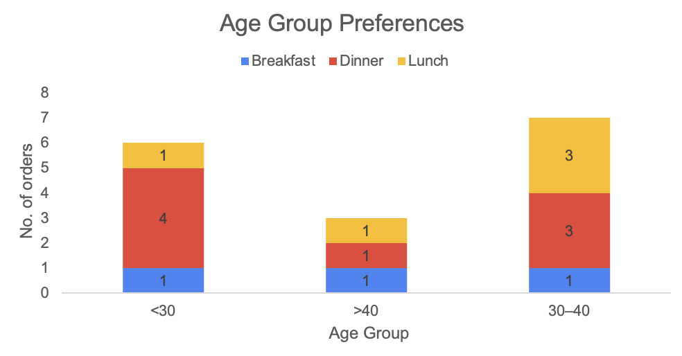
 | Column Labels
 | Breakfast |  | Dinner |  | Lunch |  |  | Breakfast | Dinner | Lunch
Age Group | No. of Orders | Average Spend | No. of Orders | Average Spend | No. of Orders | Average Spend | Age Group | No. of Orders | No. of Orders | No. of Orders
<30 | 1 | 8.00 | 4 | 13.13 | 1 | 9.00 | <30 | 1 | 4 | 1
>40 | 1 | 8.50 | 1 | 12.50 | 1 | 11.00 | >40 | 1 | 1 | 1
30–40 | 1 | 7.00 | 3 | 13.83 | 3 | 10.00 | 30–40 | 1 | 3 | 3
Grand Total | 3 | 7.83 | 8 | 13.31 | 5 | 10.00

Location-Based Trends

Average of Amount (USD) | Column Labels
Location | Day | Morning | Night | Grand Total
Austin |  |  | 13 | 13
Boston |  |  | 14 | 14
Chicago | 11 | 8.5 | 12.50 | 10.67
Los Angeles | 10 | 7 | 14 | 10.33
Miami | 11 |  |  | 11
New York |  | 8 | 13.50 | 11.67
San Francisco | 9 |  | 12.50 | 10.75
Seattle | 9 |  | 13.50 | 11.25
Grand Total | 10 | 7.83 | 13.31 | 11.25

Favorite Meal Analysis

Row Labels | Sum of Total Orders | Count of User ID
Breakfast | 59 | 4
Dinner | 68 | 7
Lunch | 42 | 5
Grand Total | 169 | 16

